ATM Data
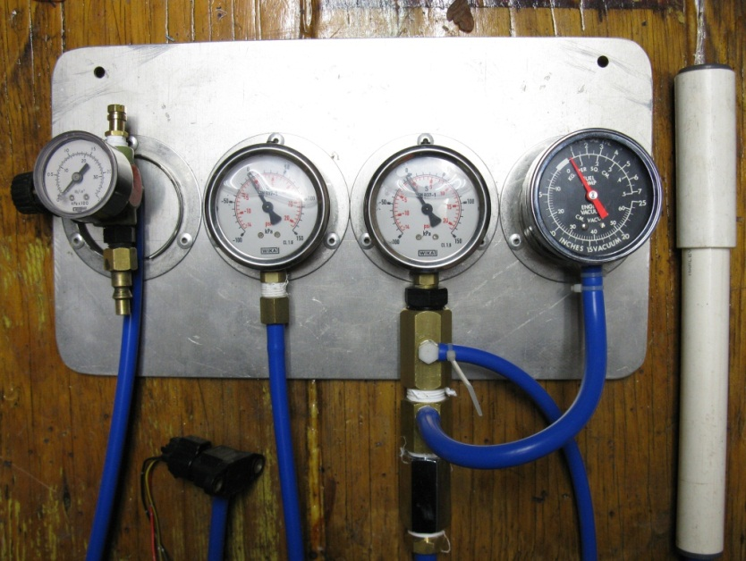
Current Atmospheric Pressure : |  | 1022.7 | hPa

 |  | 102.27 | kPa

 | This spread sheet is being aimed at comparing as many OEM Manifold Air Pressure (MAP) sensors as I can get my hands on, the idea is to take the guess work out of which is the best OEM sensor for your setup, where to find them and obtaining the correct calibration data. It will be updated as new ones are located. Every attempt has been made to maintain the same conditions for every test, so a dedicated testing rig has been built (shown right) and will be used for further tests. How to use : Enter your 'current atmospheric pressure' in the green field above, this information can be obtained from a barometer or a local weather station webpage.

DENSO - Honda PS-33
 | Voltage In | Sensor Vout
-70 | 5.19 | 1.13
-60 | 5.19 | 1.37
-50 | 5.19 | 1.66
-40 | 5.19 | 1.88
-30 | 5.19 | 2.17
-20 | 5.19 | 2.50
-10 | 5.19 | 2.75
0 | 5.19 | 3.15
10 | 5.19 | 3.50
20 | 5.19 | 3.85
30 | 5.19 | 4.10
40 | 5.19 | 4.39
50 | 5.19 | 4.66
60 | 5.19 | 4.95
70
 |  |  | Measured | Measured
 | Calculated kPa | Gauge increment KPA | Voltage In | Sensor Vout

 | 32.27 | -70 | 5.19 | 1.13
 | 42.27 | -60 | 5.19 | 1.37
 | 52.27 | -50 | 5.19 | 1.66
 | 62.27 | -40 | 5.19 | 1.88
 | 72.27 | -30 | 5.19 | 2.17
 | 82.27 | -20 | 5.19 | 2.50
 | 92.27 | -10 | 5.19 | 2.75
Current ATM kPa | 102.27 | 0 | 5.19 | 3.15
 | 112.27 | 10 | 5.19 | 3.50
 | 122.27 | 20 | 5.19 | 3.85
 | 132.27 | 30 | 5.19 | 4.10
 | 142.27 | 40 | 5.19 | 4.39
 | 152.27 | 50 | 5.19 | 4.66
 | 162.27 | 60 | 5.19 | 4.95
 | 172.27 | 70 | 5.19 | 5.14

**Testing Notes** - Donner vehicle = Honda NA engine (Manifold/throttle body mounted)

HITACHI - PS60-01
 |  |  | Measured | Measured
 | Calculated kPa | Gauge increment KPA | Voltage In | Sensor Vout

 | 32.27 | -70 | 5.19 | 1.48
 | 42.27 | -60 | 5.19 | 1.75
 | 52.27 | -50 | 5.19 | 2.15
 | 62.27 | -40 | 5.19 | 2.55
 | 72.27 | -30 | 5.19 | 3.12
 | 82.27 | -20 | 5.19 | 3.60
 | 92.27 | -10 | 5.19 | 4.00
Current ATM kPa | 102.27 | 0 | 5.19 | 4.55
 | 112.27 | 10 | 5.19 | 4.96
 | 122.27 | 20 | 5.19 | 5.18

**Testing Notes** - Donner vehicle = Subaru legacy turbo engine (located on right strut tower)

DENSO 12R-3
 |  |  | Measured | Measured
 | Calculated kPa | Gauge increment KPA | Voltage In | Sensor Vout

 | 32.27 | -70 | 5.20 | 1.35
 | 42.27 | -60 | 5.20 | 1.44
 | 52.27 | -50 | 5.20 | 1.60
 | 62.27 | -40 | 5.20 | 1.75
 | 72.27 | -30 | 5.20 | 1.93
 | 82.27 | -20 | 5.20 | 2.10
 | 92.27 | -10 | 5.20 | 2.22
Current ATM kPa | 102.27 | 0 | 5.20 | 2.44
 | 112.27 | 10 | 5.20 | 2.64
 | 122.27 | 20 | 5.20 | 2.76
 | 132.27 | 30 | 5.20 | 2.93
 | 142.27 | 40 | 5.20 | 3.05
 | 152.27 | 50 | 5.20 | 3.21
 | 162.27 | 60 | 5.20 | 3.37
 | 172.27 | 70 | 5.20 | 3.51
 | 182.27 | 80 | 5.20 | 3.65
 | 192.27 | 90 | 5.20 | 3.80
 | 202.27 | 100 | 5.20 | 3.98
 | 212.27 | 110 | 5.20 | 4.10 | **Testing Notes**
 | 222.27 | 120 | 5.20 | 4.24
 | 232.27 | 130 | 5.20 | 4.39
 | 242.27 | 140 | 5.20 | 4.51

OKI ELECTRIC
 |  |  | Measured | Measured
 | Calculated kPa | Gauge increment KPA | Voltage In | Sensor Vout

 | 42.27 | -60 | 5.18 | 1.32
 | 52.27 | -50 | 5.18 | 1.57
 | 62.27 | -40 | 5.18 | 1.87
 | 72.27 | -30 | 5.18 | 2.20
 | 82.27 | -20 | 5.18 | 2.45
 | 92.27 | -10 | 5.18 | 2.70
Current ATM kPa | 102.27 | 0 | 5.18 | 3.09
 | 112.27 | 10 | 5.18 | 3.46
 | 122.27 | 20 | 5.18 | 3.79
 | 132.27 | 30 | 5.18 | 4.00
 | 142.27 | 40 | 5.18 | 4.30
 | 152.27 | 50 | 5.18 | 4.46
 | 162.27 | 60 | 5.18 | 4.40

 | **Testing Notes**

DENSO - 10M02
 |  |  | Measured | Measured
 | Calculated kPa | Gauge increment KPA | Voltage In | Sensor Vout

 | 42.27 | -60 | 5.18 | 0.13
 | 52.27 | -50 | 5.18 | 0.28
 | 62.27 | -40 | 5.18 | 0.53
 | 72.27 | -30 | 5.18 | 0.82
 | 82.27 | -20 | 5.18 | 1.1
 | 92.27 | -10 | 5.18 | 1.4
Current ATM kPa | 102.27 | 0 | 5.18 | 1.65
 | 112.27 | 10 | 5.18 | 2.02
 | 122.27 | 20 | 5.18 | 2.35
 | 132.27 | 30 | 5.18 | 2.58
 | 142.27 | 40 | 5.18 | 2.88
 | 152.27 | 50 | 5.18 | 3.15
 | 162.27 | 60 | 5.18 | 3.42
 | 172.27 | 70 | 5.18 | 3.7
 | 182.27 | 80 | 5.18 | 3.96
 | 192.27 | 90 | 5.18 | 4.2
 | 202.27 | 100 | 5.18 | 4.55
 | 212.27 | 110 | 5.18 | 4.76 | **Testing Notes** - Doner vehicle = Toyota (ask spankme)
 | 222.27 | 120 | 5.18 | 5.09

